COVER
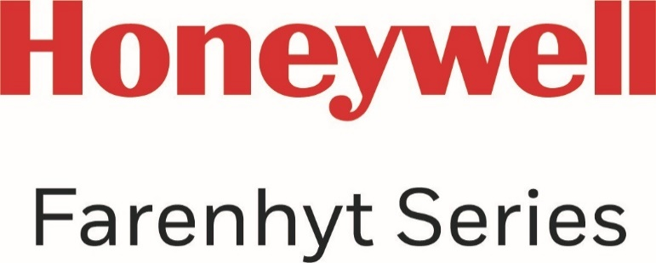

PLATINUM/GOLD
FARENHYT PRICE LIST

CONFIDENTIAL
Revised: March 4, 2022
Effective: April 4, 2022

Farenhyt · 12 Clintonville Road · Northford, CT 06472 · (203) 484-7161 · www.farenhyt.com

